SIT-OMC-DUM-04
▣ Scenario SIT-OMC-DUM-04 :Data Upload Management

Communication
OVMC
Connection
Connect
Accept
Send Data
Send Acknowledgement
DMC
Backup
▶ Desc & Flow
Description |  | This functionality describes uploading the data to DMC. OVMC uploads the data such as transaction, alarms and events
Biz flow ( It describe briefly )

▶ Advance preparation
Preparation |  | OVMC 1 EA, DMC 1 EA

▶ Data
NO | Item | 1 | 2 | 3 | 4 | 5
1 | N/A

001
Test Case SIT-OMC-DUM-04-001 : Upload Card Tapping Transaction Data (MA501)

1. Test Scenario
Test date |  | 1st |  | Tester |  | 1st
 |  | 2nd |  |  |  | 2nd
 |  | 3rd |  |  |  | 3rd

Card Tapping OVMC/OSCVM
Receive Transaction Datas
Send Transaction Data
Description |  | Upload Card Tapping Transaction Data |  |  |  |  | Written by
Flow

NO | Task | Test data | Expected result | Person in charge | Result |  | Pass/Fail |  |  | Remark
 |  |  |  |  |  |  | 1st | 2nd | 3rd
1 | [Card Tapping OSCVM ] 1.Card Tapping OSCVM | Test Data A: Card Tapping | Success to tapping |  | 1st |  |  |  |  | Test Data:C
 |  |  |  |  | 2nd
 |  |  |  |  | 3rd
2 | [Receive Transation Data] OVMC Receives Transation Data from OSCVM | Test Data B: Transaction Data | Success to receive |  | 1st |  |  |  |  | Test Data:D
 |  |  |  |  | 2nd
 |  |  |  |  | 3rd
3 | [Send Transaction Data] 1.OVMC sends transaction data to DMC |  | Succes to send |  | 1st
 |  |  |  |  | 2nd
 |  |  |  |  | 3rd

NO | Item
A | Card Tapping
B | Transaction Data | MA501.XXXXXXXXXXXXX
C | 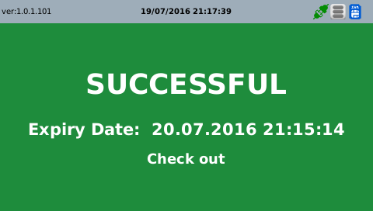

D | 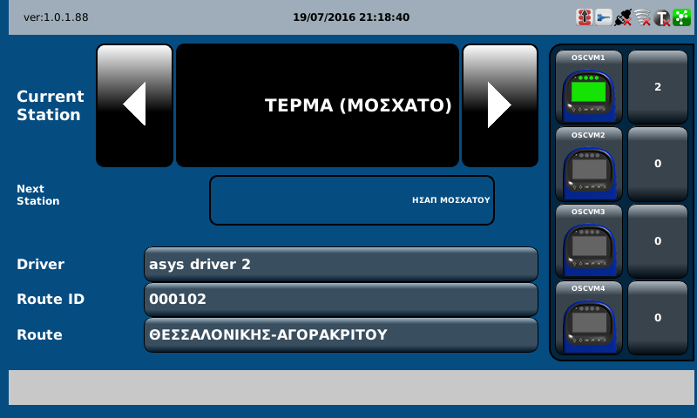

002
Test Case SIT-OMC-DUM-04-002 : Upload the Equipment Event/Alarm (MA503)

1. Test Scenario
Test date |  | 1st |  | Tester |  | 1st
 |  | 2nd |  |  |  | 2nd
 |  | 3rd |  |  |  | 3rd

Receive Event/Alarm
Send Event/Alarm
Description |  | Upload the Euipment Event/Alarm |  |  |  |  | Written by
Flow

NO | Task | Test data | Expected result | Person in charge | Result |  | Pass/Fail |  |  | Remark
 |  |  |  |  |  |  | 1st | 2nd | 3rd
1 | [Receive Event/Alarm ] 1.OVMC receives Alarms From OSCVM | Test Data A: Event/Alarm | Success to receive |  | 1st |  |  |  |  | Test Data:B
 |  |  |  |  | 2nd
 |  |  |  |  | 3rd
2 | [Send Event/Alarm] 1.OVMC sends Event/Alarm to DMC |  | Success to send |  | 1st |  |  |  |  | Test Data:B
 |  |  |  |  | 2nd
 |  |  |  |  | 3rd

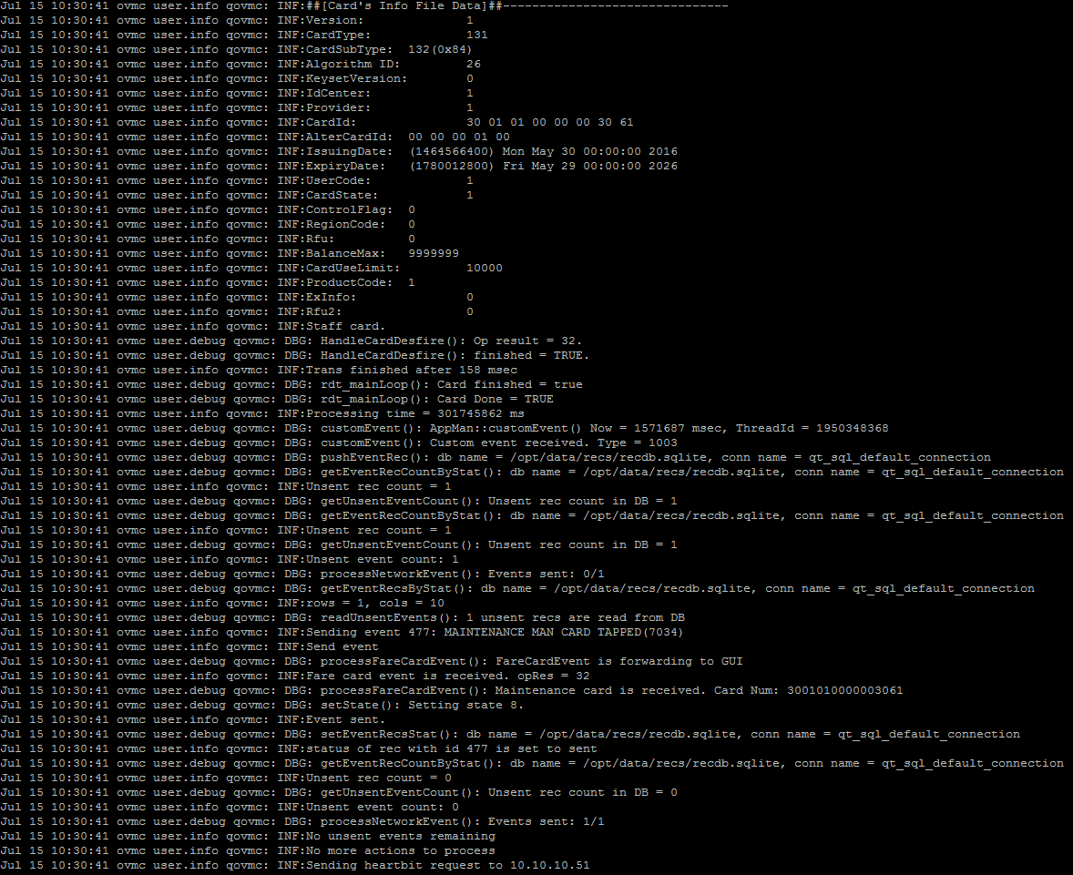
NO | Item
A | Event/Alarm :Tapping Maintance Card | MA503. XXXXXXXXX
B

003
Test Case SIT-OMC-DUM-04-003 : Upload Main Equipment Installation Info (MA504)

1. Test Scenario
Test date |  | 1st |  | Tester |  | 1st
 |  | 2nd |  |  |  | 2nd
 |  | 3rd |  |  |  | 3rd

Send Main Eqiupment Installation Info
Receive Acknowledgement message
Description |  | Upload Main Equipment Installation Info |  |  |  |  | Written by
Flow

NO | Task | Test data | Expected result | Person in charge | Result |  | Pass/Fail |  |  | Remark
 |  |  |  |  |  |  | 1st | 2nd | 3rd
1 | [Send Main Eqiupment Installation Info ] 1.OVMC sends Send Main Eqiupment Installation Info to DMC | Test Data A: Main Eqiupment Installation Info | Success to send |  | 1st |  |  |  |  | Test Data:C
 |  |  |  |  | 2nd
 |  |  |  |  | 3rd
2 | [Receive Acknowledgement message ] OVMC Receives Acknowledgement message from OSCVM | Test Data B: Acknowledgement message | Success to receive |  | 1st |  |  |  |  | Test Data:C
 |  |  |  |  | 2nd
 |  |  |  |  | 3rd

NO | Item
A | İnstallation Info | MA504.~(current version)
B | Acknowdledgement Message
C | 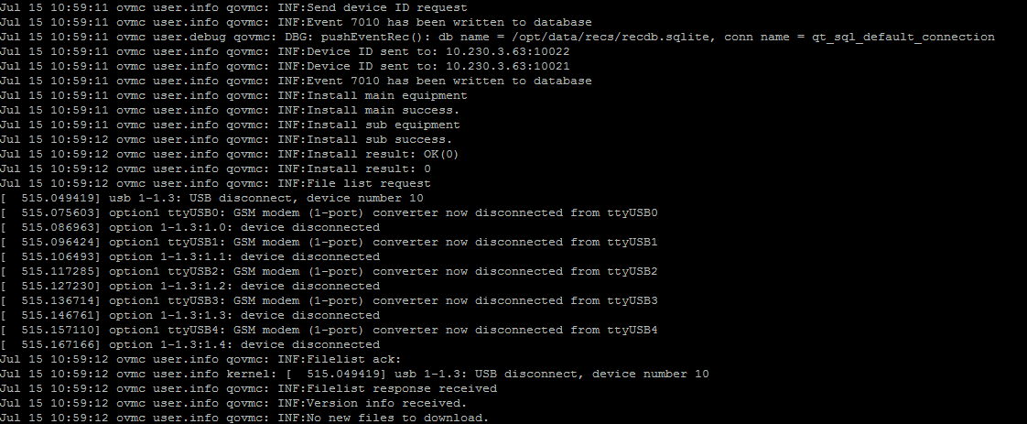

004
Test Case SIT-OMC-DUM-04-004 : Upload Sub Equipment Installation Info (MA504)

1. Test Scenario
Test date |  | 1st |  | Tester |  | 1st
 |  | 2nd |  |  |  | 2nd
 |  | 3rd |  |  |  | 3rd

Send Sub Eqiupment Installation Info
Receive Acknowledgement message
Description |  | Upload Sub Equipment Installation Info |  |  |  |  | Written by
Flow

NO | Task | Test data | Expected result | Person in charge | Result |  | Pass/Fail |  |  | Remark
 |  |  |  |  |  |  | 1st | 2nd | 3rd
1 | [Send Sub Eqiupment Installation Info ] 1.OVMC sends Sub Eqiupment Installation Info to DMC | Test Data A: Sub Eqiupment Installation Info | Success to send |  | 1st |  |  |  |  | Test Data:C
 |  |  |  |  | 2nd
 |  |  |  |  | 3rd
2 | [Receive Acknowledgement message ] 1.OVMC Receives Acknowledgement message from OSCVM | Test Data B: Acknowledgement message | Success to receive |  | 1st |  |  |  |  | Test Data:C
 |  |  |  |  | 2nd
 |  |  |  |  | 3rd

NO | Item
A | Sub Equipment İnstallation Info | MA507. ~(current version)
B | Acknowdledgement Message | Message
C

005
Test Case SIT-OMC-DUM-04-005 : Upload Equipment Version File (MC401)

1. Test Scenario
Test date |  | 1st |  | Tester |  | 1st
 |  | 2nd |  |  |  | 2nd
 |  | 3rd |  |  |  | 3rd

Send Version Info
Receive New Parameter List
Send to Request File
Receive to Response File
Description |  | Upload Equipment Version File |  |  |  |  | Written by
Flow

NO | Task | Test data | Expected result | Person in charge | Result |  | Pass/Fail |  |  | Remark
 |  |  |  |  |  |  | 1st | 2nd | 3rd
1 | [Send Version Info ] 1.OVMC sends Version Info to DMC | Test data A: Version Info | Success to send |  | 1st
 |  |  |  |  | 2nd
 |  |  |  |  | 3rd
2 | [Receive New Parameter List] OVMC Receives New Parameter List (if DMC sends) | Test Data B: New Parameter List | Success to receive |  | 1st
 |  |  |  |  | 2nd
 |  |  |  |  | 3rd
3 | [Send to Request File] 1.OVMC sends Request File] to DMC |  | Succes to send |  | 1st |  |  |  |  | Test Data:C
 |  |  |  |  | 2nd
 |  |  |  |  | 3rd
3 | [Receive to Response File] 1.OVMC Receive to Response File from DMC |  | Succes to receive |  | 1st |  |  |  |  | Test Data:C
 |  |  |  |  | 2nd
 |  |  |  |  | 3rd

NO | Item
A | Version Info | MA505.~(current version)
B | New Parameter List | List
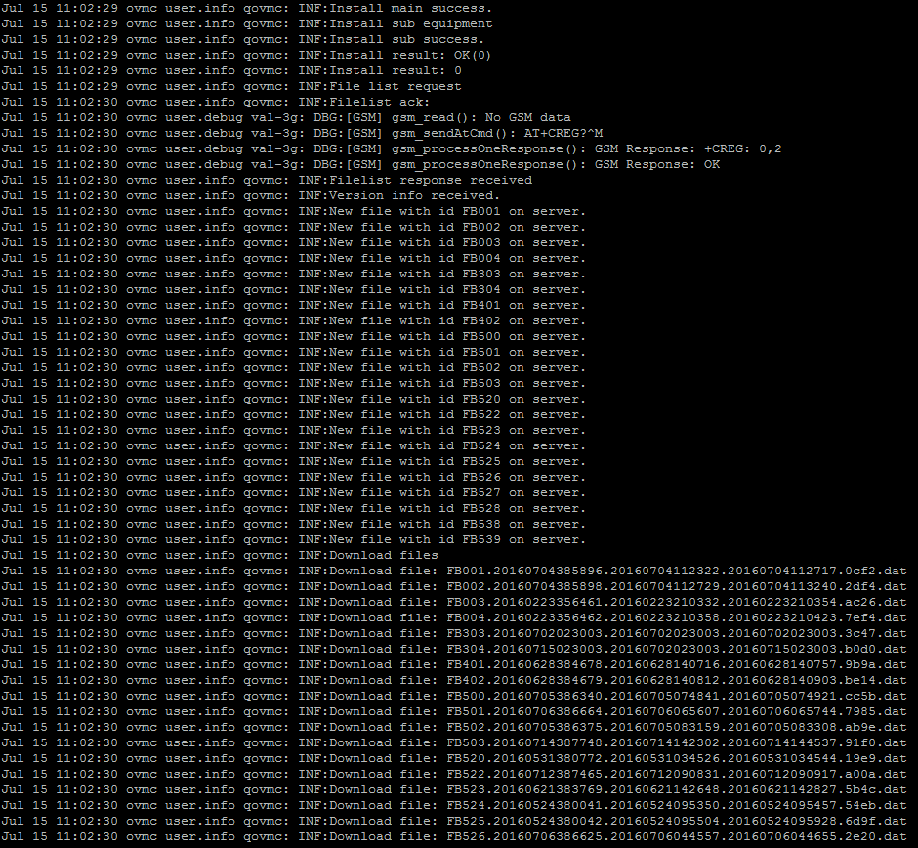
C

